Zukowski_2017
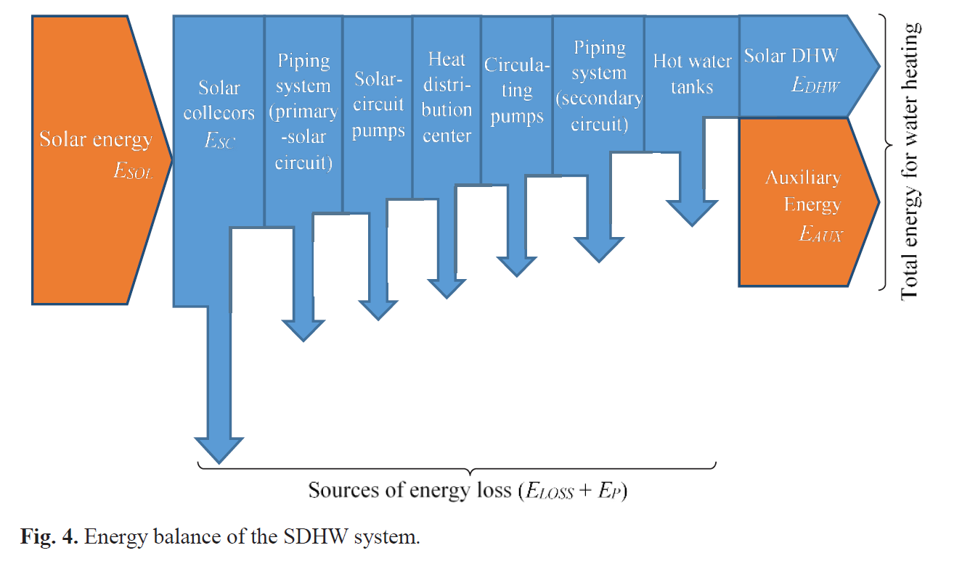
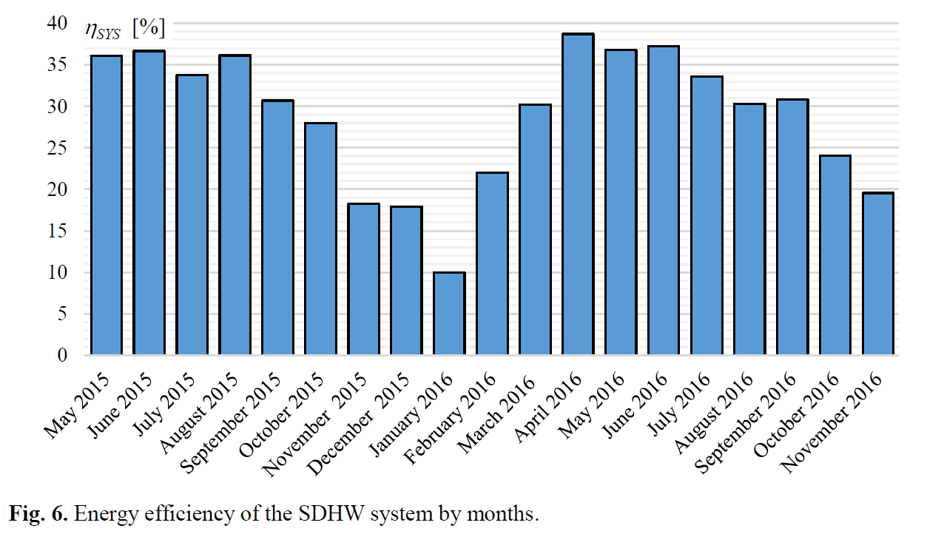
Zukowski (2017) - Energy efficiency of a solar domestic hot water system |  | @inproceedings{zukowski2017energy,
https://www.e3s-conferences.org/articles/e3sconf/pdf/2017/10/e3sconf_asee2017_00209.pdf |  | title={Energy efficiency of a solar domestic hot water system},
 |  | author={Zukowski, Miroslaw},
Year | Eta.fu | booktitle={E3S Web of Conferences},
2015 | 32.60% | volume={22},
 |  | pages={00209},
 |  | year={2017},
 |  | organization={EDP Sciences}
 |  | }

Sambare_2021
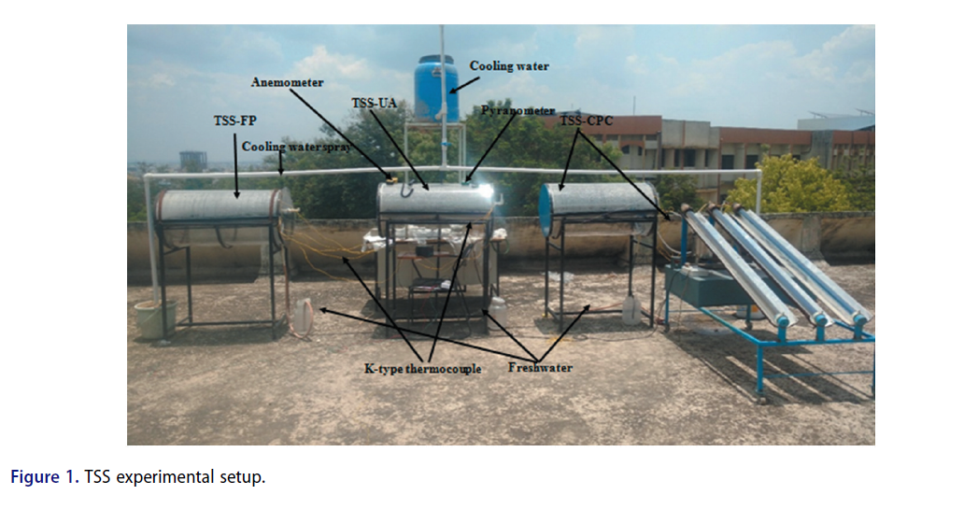
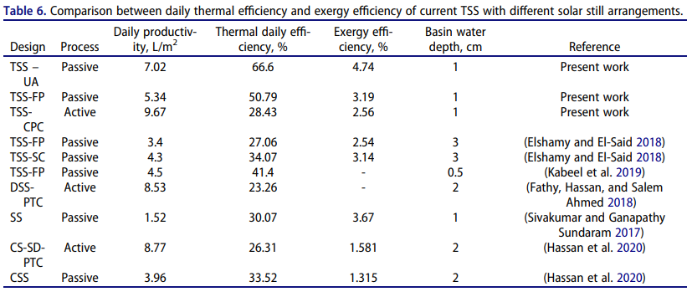
Sambare et al (2021) - Exergy and thermo-economic analyses of various tubular solar still configurations
https://doi.org/10.1080/15567036.2021.1887977

Jaisankar_2011
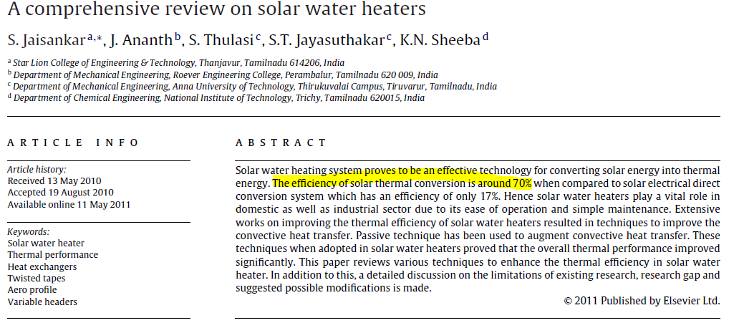
Jaisankar et al (2011) - A comprehensive review on solar water heaters
https://doi.org/10.1016/j.rser.2011.03.009

Roonprasang_2007
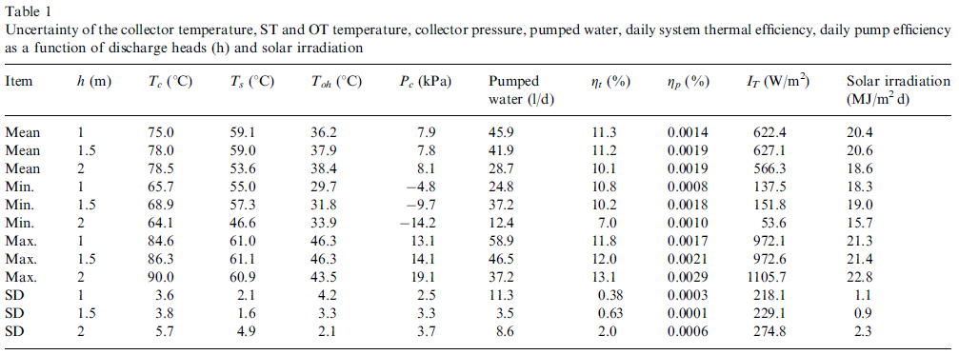
Roonprasang et al (2007) - Experimental studies of a new solar water heater system using a solar water pump
https://doi.org/10.1016/j.energy.2007.12.002

